Sheet1
if we get this error means ending flower bracket of class isnt closedlike ==> | 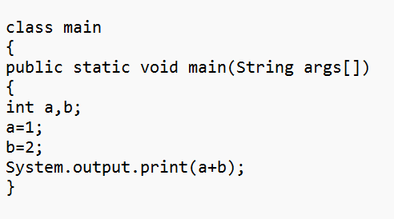 it should be ==> | 